Original
Caldera REE project: Pea Ridge deposit(s) vs. two other world class deposits
Tabel Data Does Not Account for Recovery Loss or Production Costs For Any Of The Deposits As These Numbers Are Not Known.
Deposit | Bayan Obo | Mountain Pass | Pea Ridge Tailings | Pea Ridge Breccia | Pea Ridge Fe / REE-Apatite | Total Pea Ridge REE: Tails / Breccia / Fe | Rare Earth Prices: December 31, 2021
Oxide | Byproduct of Iron production | 29 million tons of ore 8% | Co-product of tail reclaim | 600,000 tons of ore @ 12% | Byproduct of Iron production | All Three Pea Ridge Deposits
La2O3 | 15,267,052 | 872,120 | 26,856 | 18,275 | 119,989 | 165,120 | $1.37
Ce2O3 | 23,720,328 | 1,279,918 | 47,136 | 32,298 | 196,557 | 275,991 | $1.49
Pr2O3 | 1,734,339 | 106,337 | 3,912 | 2,862 | 16,313 | 23,087 | $137.46
Nd2O3 | 6,083,552 | 288,040 | 15,768 | 9,474 | 65,752 | 90,994 | $144.92
Sm2O3 | 616,088 | 21,939 | 2,367 | 1,963 | 9,870 | 14,200 | $4.56
Eu2O3 | 99,822 | 2,710 | 178 | 158 | 742 | 1,078 | $31.42
Gd2O3 | 247,460 | 5,420 | 2,376 | 808 | 9,907 | 13,091 | $71.87
Tb2O3 | 0 | 0 | 384 | 190 | 1,601 | 2,175 | $1,759.43
Dy2O3 | 56,584 | 0 | 1,968 | 903 | 8,206 | 11,077 | $454.00
Ho2O3 | 0 | 0 | 182 | 137 | 758 | 1,077 | $205.79
Er2O3 | 0 | 0 | 1,340 | 430 | 5,587 | 7,357 | $53.80
Tm2O3 | 0 | 0 | 14 | 9 | 58 | 81 | $126.48
Yb2O3 | 0 | 0 | 1,368 | 662 | 5,704 | 7,734 | $20.03
Lu2O3 | 0 | 0 | 268 | 88 | 1,117 | 1,473 | $832.59
Y2O3 | 117,798 | 3,355 | 15,792 | 3,942 | 65,852 | 85,586 | $12.02
Sc | 0 | 0 | 38 | 15 | 153 | 206 | $1,060.37
sum | 48,000,000 | 2,581,490 | 119,947 | 72,214 | 508,166 | 700,327
Table 4. REE+Y oxide concentrations in metric tons of three world-class lanthanide deposits. (Pea Ridge breccia classifed by USGS in 1983). |  |  |  |  | Data Table: 0 (zero value) if USGS lists as "Trace" or 0 (zero)

Total REE Value | 1,209,587,824,095 | 59,692,704,285 | 5,109,760,270 | 2,800,439,761 | 21,311,027,880 | 29,221,084,171

The Pea Ridge Tailings Potential Co-Products: 1) 4 million tons of Fe2O3, 2) 700,000 tons of Chemical Grade Fe3O4, 3) 500,000 tons of Pyrite with S, Co, Cu, Mo & Sc values and 4) 800,000 tons of P2O5
Pea Ridge REE per Kg values are 3.5 times the value of the MP Materials Mt. Pass deposit (based on current pricing).
Average mining and concentrating cost from the Pea Ridge deposits are expected to be significantly lower that MP
Current reserve estimates and underground mining plan suggest a 40 year life of mine
The iron ore deposit is open at depth and USGS has mapped the magnetic annomoly continuing for at least 1 kilometer below drilled core (see graphic #2)

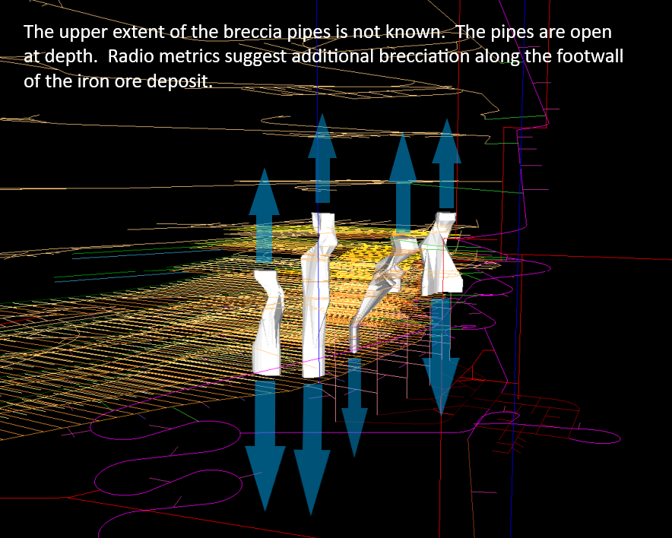
Mountain Pass deposit
Estimated reserves of 29 million metric tons of ore at 8.9 percent RE2O3 with a 5 percent cutoff |  |  |  |  | Graphic #1 below
REE distribution calculated from USGS sources and conforms with historical company data
Zero used if USGS classified amount as Trace or zero (0).

Bayan Obo deposit
800 million metric tons of ore at 6 percent RE2O3, Berger and others (2009).
REE distribution based on the average of three highly mineralized carbonatite samples from the east
ore deposit (Xiao-Yong Yang and others, 2009).
This single iron ore mine supplies over half of China's rare earth produciton as a byproduct (with no direct mining cost).

China Clay deposits
Estimated minimum of 1 million metric tons contained RE2O3 (Clark and Shuhui, 1991).
REE distribution based on a single ore sample, Grauch and Mariano (2008) and unpublished data.
Resource not listed, as China is shutting down most / all of this production.

Pea Ridge Tailings deposit
24 million metric tons of tailings/ore contaiing 4997 ppm rare earth (plus other resources).
REE distribution based on Pincock, Allen & Holt resource assesment 2013
The Pincock, Allen & Hold resource assesment estimates 2.4 million metric tons of REE-Apatite in the tailings.
SGS Hydrometallurgical work successfully produced a 96% REO concentrate, a phosphoric acid product,
a +65% Fe hematite product and a chemical grade magnetite product and pyrite concentrate.
Recovery and Cost estimates for non-optimized REE oxide production are avaialbe in the SGS reports.

Pea Ridge Breccia Pipe deposit (Classified as world-class by USGS in early 1980s)
600,000 metric tons of reserves with an average of 12 percent RE2O3 (Whitten and Yancy, 1990).
REE distribution is based on the average of composite assays of samples from four breccia pipes,
memo by Larry J. Tucker dated 10-25-89 (and conforms with USGS reports).
Data table includes assay data for Sc, Tb and Lu not listed in the Whitten and Yance data set.
Illustration shows 3-D image of breccia pipes outside underground mine workings.
The full extent of the breccia pipes are unknown (see graphic #1)

Pea Ride REE-Apatite in Fe Ore
Beher Dolbear estimated iron ore reserves of 250 million tons (NI 43-101 standards).
REE-Apatite content estimate is based on measured REE-Apatite accumulated in tailings over 40 year operating history.

The 500,000 ton estimate is based on Pincock's measured 24 million metric tons of tailings, generated from 59 million tons of hoisted or over
the 40 year operating history of the underground mine, resulting in an estimated 2.4 million metric tons of REE-Apatite in the tailings.
Historical Pea Ridge and USGS reports put average P levels within the ore body at .7%

REE-Apatite P2O3 levels run at +30% (with some loss to Fe product). |  |  |  |  | Project Valuation Considerations
Higher recovery levels are expected based on new Fe milling and beneficiation process. |  |  |  |  | Minimal Political Risk (U.S. Project in pro mining state)
 |  |  |  |  | Minimal Permit Risk (Mining and Water permits are active)
 |  |  |  |  | Minimal Mining and Milling Cost of Tailings
 | Graphic #2 below |  |  |  | Minimal Infrastructure Requirements (Roads, Rail, Electric)
 |  |  |  |  | Low Production Cost vs MP and Others
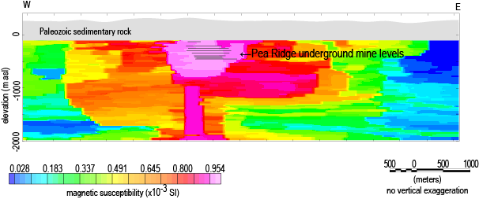
 |  |  |  |  | Estimated Pre-Money Value of $15 to 18 Billion (CAPEX, OPEX & Cost of Money)

